Information & Navigation Guide


NEEP & DNV GL
Last Updated 07-19-2016
Table of Contents

Purpose
The intent of this workbook is to act as a catalog of annual energy and peak demand savings data that can be used for impact evaluation and other research studies conducted by NEEP forum members

Tab Name | Notes
Information & Navigation Guide | Provide meta level information about the tabs contain the in NEEP Loadshape Catalog
Guide Use Example | This tab provides a practical example of how to use the Loadshape catalog in order to find the information provided.
Field Definitions | Index of the fields captured during the review process. Not every field will be available for each study. These are all under the "Parameters" column in the wide version of the catalog.
Data Sources Reviewed | This is the list of sources reviewed for inclusion in the catalog. (For the template version this only includes the studies included as examples)
Master Loadshape Catalog | Catalog is a wide dataset where each of the possible fields have a unique row. This option will result in many blank cells due to availability of each variable in the reviewed studies. The "Study ID" column can be used for linking study level information from the "Data Sources Reviewed" tab.

DRAFT

Guide Use Example
Setup:
The following is a practical example of how to use this catalog and how to navigate between tabs. In this example, we will find the results in the catalog which came out of the NEEP VSD tool.
It should be noted that this is only one way to use the tool. The column for "Study ID" is the critical field which links the "Data Sources Reviewed" and the "Master Loadshape Catalog" tabs.

Step 1:
Go to the "Data Sources Reviewed" tab. This is where all the study and tool names are captured.

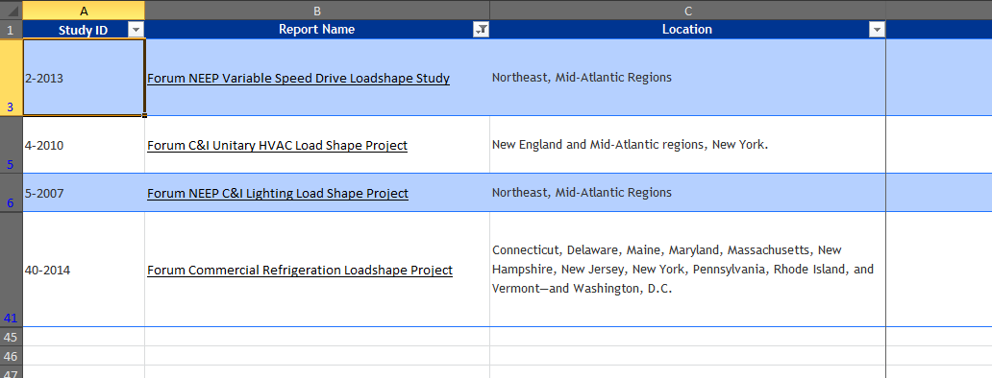
Step 2:
Use the filter for the "Report Name" column to search for the Forum tools.
This will allow us to find the necessary Study ID to look up the results in the "Master Loadshape Catalog" tab.

We can see here that the Study ID
for the VSD tool is 2-2013

Step 3:
Go to the actual catalog where the tools results are recorded.

Step 4:
Use the "Study ID" column to filter results to only Study ID 2-2013.

Once the catalog has been filtered to the correct Study ID it can be seen that there are 5 rows of data which contain results from the tool.
Using the "Specific Equipment" one can see that there are results for:
 | Supply Fans (SF)
 | Return Fans (RF)
 | Cooling Water Pumps (CWP)
 | Hot Water Pumps (HWP)
 | Water Source Heat Pump Circulation Pumps (WHP)

